Reimbursement_LegalFee_Form
Watch
Instruction Video
Request for Reimbursement of Legal and Professional Fees (effective September 3, 2024) |  |  |  |  |  |  |  | V1.7

 | SECTION 1 Input Basic Information: |  |  |  | SECTION 3 Check all steps are complete before submitting form:

 | Field Name | Input/Select | Message warning |  | Select 'Yes' for steps complete:
 | Date of form submission |  | Missing entry |  | No | 1. All entries are complete and message warnings are clear
 | Supplementary submission |  | Missing entry |  |  | 2. Prepare supporting documentation into a single PDF file:
 | Date of entire file closure |  | Missing entry |  | No | a. Organize supporting documentation in the same order as amounts listed below
 | Company name |  | Missing entry |  | No | b. Highlight requested dollar amounts on each supporting documentation
 | Company # |  | Missing entry |  | No | c. Ensure correct “Type of service” is selected and corresponds to supporting documentation
 | Policy # |  | Missing entry |  | No | 3. Prepare Request for Reimbursement Form into a single PDF file
 | Company claim # |  | Missing entry |  | No
 | Date of Loss |  | Missing entry |  | Check for missing entries and incomplete steps above
 | Underwriting Province |  | Missing entry
 | Claim type |  | Missing entry
 | Claim category type |  | Missing entry

 | SECTION 2 List itemized request for reimbursement:

 | Vendor Name | Invoice Number | Type of Service | Amount Including Taxes ($) | If amount does not match invoice provide explanation |  | Message warning (populates when detected)

 |  |  | Subtotal Legal Defence Fees | $0.00
 |  |  | Deductible Applicable for Category I only | $0.00
 |  |  | Subtotal Net Legal Defence Fees | $0.00

 |  |  | Subtotal Fees (excludes Legal Defence) | $0.00

 |  |  | Net Total FA Estimated Legal and Professional Fees Reimbursement | $0.00

 | Notes:
 | [1] Completed forms may be submitted to claimsinvoice@facilityassociation.com
 | [2] For any questions or concerns completing this form (e.g. drop down value needs update), contact claimsinvoice@facilityassociation.com

Category_I_Schedule
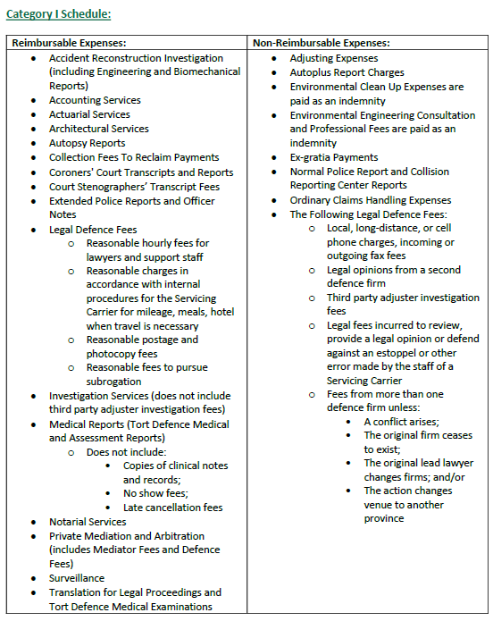

Category_II_Schedule
